First chart
Creating a Chart is easy but creating a good chart that convey message is difficult

Months | Sales
Jan | $2,933,743
Feb | $2,836,435
Mar | $2,799,982
Apr | $2,888,563
May | $2,945,629
Jun | $3,087,680
Jul | $3,202,347
Aug | $3,156,729
Sep | $3,057,932
Oct | $3,000,123
Nov | $2,930,987
Dec | $2,801,240

Column & Bar Chart
Sales
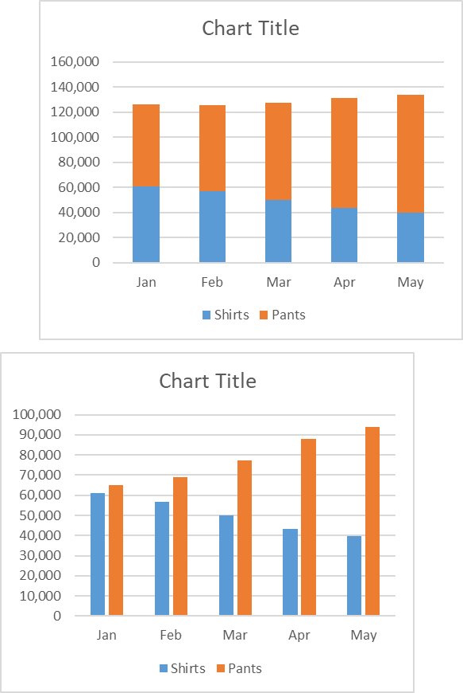
 |  |  |  | Column Chart & Bar Chart
 |  |  |  |  | from blank
Month | Shirts | Pants
Jan | 60,983 | 64,983
Feb | 56,732 | 68,981
Mar | 49,831 | 77,398
Apr | 43,323 | 88,091
May | 39,879 | 93,733

 |  |  | 90 degree rotation is Bar Chart

Sales

Formatting
Formatting

Sales
 | Shirts | Pants
Jan | 60,983 | 64,983
Feb | 56,732 | 68,981
Mar | 49,831 | 77,398
Apr | 43,323 | 88,091
May | 39,879 | 93,733

Line Chart
Line Chart

Year | Shirts | Pants | Other
1953 | 43.5% | 53.9% | 2.5%
1954 | 42.3% | 55.2% | 2.6%
1955 | 40.1% | 57.4% | 2.5%
1956 | 39.4% | 58.6% | 2.1%
1957 | 35.0% | 62.9% | 2.1%
1958 | 34.0% | 63.9% | 2.1%
1959 | 32.5% | 65.4% | 2.1%
1960 | 32.9% | 65.0% | 2.0%
1961 | 32.7% | 65.1% | 2.2%
1962 | 32.8% | 64.8% | 2.4%
1963 | 31.1% | 66.5% | 2.4%
1964 | 30.8% | 66.8% | 2.4%
1965 | 32.3% | 65.2% | 2.5%
1966 | 33.2% | 64.2% | 2.6%
1967 | 34.9% | 62.4% | 2.7%
1968 | 36.5% | 60.7% | 2.8%
1969 | 38.5% | 58.6% | 2.9%
1970 | 39.8% | 57.0% | 3.2%
1971 | 40.2% | 56.4% | 3.4%
1972 | 40.8% | 55.8% | 3.4%
1973 | 43.0% | 53.6% | 3.4%
1974 | 44.6% | 51.8% | 3.6%
1975 | 44.4% | 52.0% | 3.7%
1976 | 44.9% | 51.5% | 3.7%
1977 | 45.2% | 51.0% | 3.7%
1978 | 46.0% | 50.2% | 3.8%
1979 | 47.1% | 49.2% | 3.7%
1980 | 48.9% | 47.5% | 3.7%
1981 | 49.7% | 46.6% | 3.6%
1982 | 50.3% | 46.0% | 3.6%
1983 | 50.3% | 46.2% | 3.6%
1984 | 51.0% | 45.5% | 3.5%
1985 | 50.5% | 46.0% | 3.5%
1986 | 50.7% | 45.5% | 3.9%
1987 | 49.6% | 46.4% | 4.1%
1988 | 50.8% | 44.9% | 4.3%
1989 | 52.8% | 42.6% | 4.6%
1990 | 54.7% | 40.6% | 4.7%
1991 | 57.4% | 37.8% | 4.8%
1992 | 58.2% | 36.8% | 5.0%
1993 | 58.3% | 36.5% | 5.2%
1994 | 58.6% | 35.9% | 5.5%
1995 | 60.4% | 34.3% | 5.3%
1996 | 62.5% | 32.1% | 5.3%
1997 | 64.2% | 30.5% | 5.4%
1998 | 65.2% | 29.5% | 5.4%
1999 | 66.9% | 27.7% | 5.3%
2000 | 68.4% | 26.3% | 5.3%

